Table 1
Earthworks - ITP |  |  |  | Hayden Brett Created Tue, 16 Jan 2024, 3:46 PM (UTC+11)
Subcontractor (if applicable)
ITP Details:
 | Client |  | Construction Process |  |  | Contract Number: |  |  | Speciﬁcations |  |  |  | Structure / Component |  |  |  | Prepared By |  |  | Approved By
 | Regional Roads Victoria |  | Earthworks |  |  |  |  |  | Vicroads Speciﬁcation Section 173, 175, 204, 205, 210, 290, 304, 702 and 720, VR Code of Practice 500.2 |  |  |  | Pavements
Project Location
Lot Number
Lot Details
Lot size/Qty
Date Start: - End: -

Legend:
1. Preliminary Works
 | Task/Activity Description |  | Acceptance Criteria |  |  | Reference Document s |  | Method & Record of conformity |  |  | Responsib ility |  | Signature 1 |  | Reports |  | Pictures |  |  | Comments
 | 1.1 Check for correct documentation Frequency Prior to commencing any activity |  | Ensure that all employees and subcontractors are: -using the correct and complete set of drawings -all drawings are the latest revision |  |  | IFC Drawings |  | Method: Visual Inspection Record: Signed ITP |  |  | IHP SWA Project Manager
Task/Activity Description |  | Acceptance Criteria |  |  | Reference Document s |  | Method & Record of conformity |  |  | Responsib ility |  | Signature 1 |  | Reports |  | Pictures |  |  | Comments
1.2 Implementation of all measures and controls Frequency Prior to commencing any activity |  | All necessary measures and controls are being implemented, that is: EMP, TMP & SWMS. |  |  | EMP, TMP & SWMS |  | Method: Visual Inspection Record: Signed ITP |  |  | IHP SWA Project Manager
2. Construction works
Task/Activity Description |  | Acceptance Criteria |  |  | Reference Document s |  | Inspection method & Record of conformity |  |  | Responsib ility |  | Signature 1 |  | Reports |  |  |  | Photos |  |  | Comments
2.1 Survey Set-Out Frequency:Prior to commencement of excavation. |  | Area has been set out in accordance with the drawings |  |  | Work Procedure |  | Method: Verify Record: Signed ITP |  |  | IP SWA Project Manager
Task/Activity Description |  | Acceptance Criteria |  |  | Reference Document s |  | Inspection method & Record of conformity |  |  | Responsib ility |  | Signature 1 |  | Reports |  |  |  | Photos |  |  | Comments
2.2 Excavation Permit Frequency:Each Lot |  | An excavation permit or DBYD must be issued prior to any excavation commencing. Plant and equipment shall be appropriate for the task. Excavation operations shall not disturb areas outside the limit of excavation |  |  | Excavation Permit |  | Method: Verify Record: Signed ITP |  |  | IHP SWA Project Manager IP SWA SEQ Adviser
2.3 Sub grade Material Properties Frequency:Each Lot |  | In situ material within 400mm of cut ﬂoor level to be consistent with Type B. i.e. CBR>assigned value (must be greater than 2), Swell < 2.5%. If parameter met, rip and re compact 150mm. If parameters not met remove 400mm of material and replace with conforming type B. |  |  | VcRoads Std Specs 204.06 (e) |  | Method: Site Inspection/Test Report Record: Signed ITP & Test Report |  |  | TP SWA Project Manager External testing Company representat ive AP RRV Superinten dent
Task/Activity Description |  | Acceptance Criteria |  |  | Reference Document s |  | Inspection method & Record of conformity |  |  | Responsib ility |  | Signature 1 |  | Reports |  |  |  | Photos |  |  | Comments
2.4 Inspection of Subgrade Material Frequency:Each Lot |  | Prior to commencing excavation in any area and during excavation work, the Superintendent and the Contractor shall inspect each type of material encountered and subject to veriﬁcation by appropriate laboratory testing, agree on the category of the material in accordance with Clause 204.04 |  |  | VcRoads Std Specs 204.06 (e) |  | Method: Visual Inspection Record: Signed ITP |  |  | IHP SWA Project Manager AP RRV Superinten dent
2.5 Material Classiﬁed as Silt Frequency:Prior to commencing |  | Material classiﬁed as silt, either before or after compaction, is not acceptable as Type A material without stabilisation to the satisfaction of the Superintendent. |  |  | VcRoads Std Specs 204.04 (e) |  | Method: Visual Inspection Record: Signed ITP |  |  | IHP SWA Project Manager AP RRV Superinten dent
Task/Activity Description |  | Acceptance Criteria |  |  | Reference Document s |  | Inspection method & Record of conformity |  |  | Responsib ility |  | Signature 1 |  | Reports |  |  |  | Photos |  |  | Comments
2.6 : Acceptance of Rock Subgrade (when applicable) Frequency : Prior construction of the regulating layer. |  | Prior to construction of the regulating layer, the areas of rock subgrade shall be presented to the Superintendent for acceptance. Any necessary amendments to the subsurface drainage design including transverse subsurface drainage at the interfaces shall be presented to Superintendent for review. |  |  | VcRoads Std Specs 204.04 (f) |  | Method: Site Inspection/ Document Review Record: Signed ITP |  |  | IHP SWA Project Manager AP RRV Superinten dent
2.7 : Unsuitable Material Frequency : Each lot as required |  | Where unsuitable material is encountered, proposed in-situ treatment must be submitted to the superintendent for review |  |  | VcRoads Std Specs 204.07 (d) |  | Method: Visual Inspection Record: Signed ITP & Test Reports |  |  | IHP SWA Project Manager AP RRV Superinten dent TP External testing Company representat ive
Task/Activity Description |  | Acceptance Criteria |  |  | Reference Document s |  | Inspection method & Record of conformity |  |  | Responsib ility |  | Signature 1 |  | Reports |  |  |  | Photos |  |  | Comments
2.8: Groundwater Frequency : Each lot as required |  | Where groundwater is encountered the contractor shall notify the superintendent and submit proposed action for review. The Contractor shall submit any necessary approvals from relevant authorities for the treatment and disposal of this groundwater. |  |  | VcRoads Std Specs 204.07 (h) |  | Method: Visual Inspection Record: Signed ITP & Test Reports |  |  | IHP SWA Project Manager AP RRV Superinten dent
2.9: Trimming and level conformity Frequency : Each lot as required |  | The level at any point on the subgrade shall not lie more than 20 mm below a 3 m straightedge laid in any direction, except across a crown and water shall not pond at any point. Level tolerances: Range x (Mean value of all measurements) (Scale A) x = +5, -25mm (Scale B )x = +5, -15mm Max S (Standard deviation of all readings) (Scale A) = 12 mm (Scale B) = 15 mm No. measurements (Scale A) 80 per lot (Scale B) 40 per lot |  |  | VcRoads Std 204.03 (f,g,h) Table 204.031 |  | Method: Survey Record: Signed ITP & Survey Report |  |  | SCP SWA Project Manager External Surveyor
3. Testing Requirements
Task/Activity Description |  | Acceptance Criteria |  |  | Reference Document s |  | Record of conformity |  |  | Responsib ility |  | Signature 1 |  | Reports |  |  |  | Photos |  |  | Comments
3.1: Test Rolling Frequency : Each lot as required |  | No visible deformation or springing in presence of Superintendent's Rep. ( Cl 173) Plant to comply with requirements of Cl 173.03. Pneumatic tyred plant nominated for test rolling procedures shall have a mass of not less than 20 tonne and shall have a ground contact pressure under either the front or rear wheels of not less than 450 kPa per tyre. |  |  | Vicroads Speciﬁcatio n Section173 .03 173.03 (ii) |  | Method: Visual Inspection Record: Signed ITP |  |  | IHP SWA Project Manager WP RRV Superinten dent
3.2: Compaction Testing Frequency : Each lot as required |  | Ripped and re- compacted material below Cut Floor Level = minimum compaction 98%. Type B Material placed within 400 mm of top of Type B Material = minimum compaction 98%. Type B material 400mm below the top of Type B material and Top 150mm of where ﬁll is to be constructed = minimum compaction 95%. |  |  | Vicroads Speciﬁcatio n Table 204.131 |  | Method: Compaction Test Record: Signed ITP & Test Reports |  |  | IHP SWA Project Manager AP RRV Superinten dent TP External testing Company representat ive
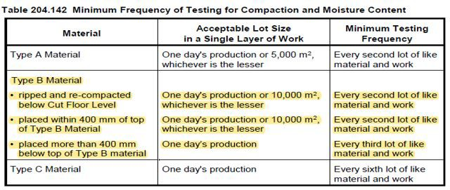
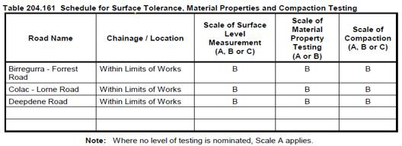
Appendix Tables:

 | 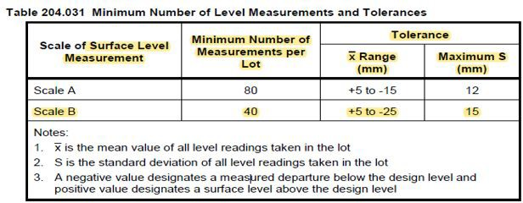
 | 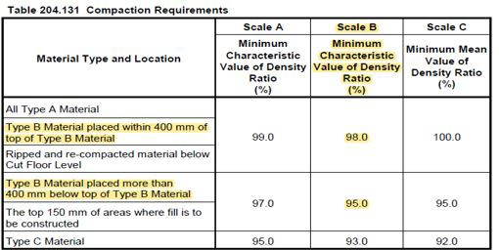
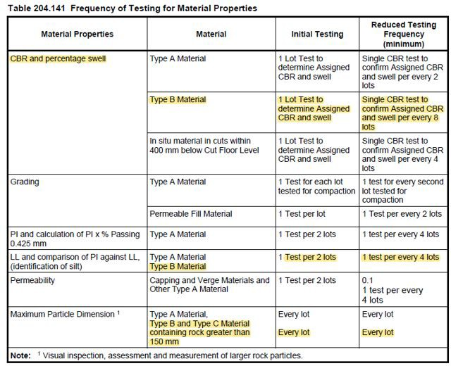 Final Notes Photo and video

Final Inspection: The signature below veriﬁes that this ITP has been completed in accordance with the Fulton Hogan’s Quality system Procedures and veriﬁes lot compliance with speciﬁcations. Project Team signature - Final Inspection: The signature below veriﬁes that this ITP has been completed in accordance with the Fulton Hogan’s Quality system Procedures and veriﬁes lot compliance with speciﬁcations. Client Signature -

